Daily Power Station Chart_14-01
Plant_17/07/2025Chart

Plant:odco1 |  |  | Installed Capacity:111.180kWp
Today Yield(kWh):617.800kWh |  | Today Earning:247120.000TND |  | Today Full Load Hours(h):5.56h

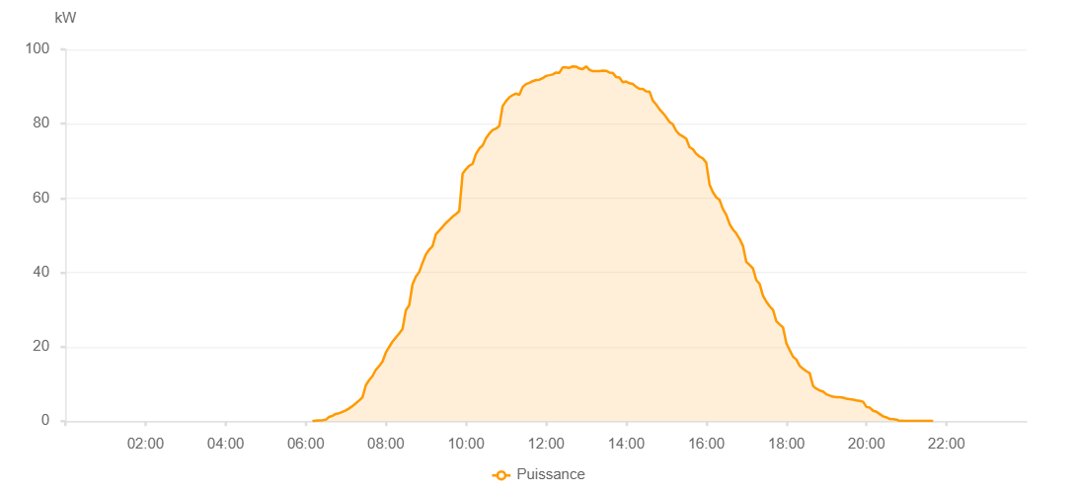

Number | Time | Working State | PV(W) | Instantaneous Radiation(W/㎡)
1 | 06:10:00 | Online | 20.00000 | 0
2 | 06:15:00 | Online | 160.00000 | 0
3 | 06:20:00 | Online | 200.00000 | 0
4 | 06:25:00 | Online | 230.00000 | 2.00000
5 | 06:30:00 | Online | 370.00000 | 3.00000
6 | 06:35:00 | Online | 1120.00000 | 8.00000
7 | 06:40:00 | Online | 1430.00000 | 10.00000
8 | 06:45:00 | Online | 1950.00000 | 14.00000
9 | 06:50:00 | Online | 2150.00000 | 21.00000
10 | 06:55:00 | Online | 2480.00000 | 31.00000
11 | 07:00:00 | Online | 2900.00000 | 44.00000
12 | 07:05:00 | Online | 3420.00000 | 56.00000
13 | 07:10:00 | Online | 4060.00000 | 69.00000
14 | 07:15:00 | Online | 4790.00000 | 83.00000
15 | 07:20:00 | Online | 5560.00000 | 99.00000
16 | 07:25:00 | Online | 6420.00000 | 116.00000
17 | 07:30:00 | Online | 9630.00000 | 132.00000
18 | 07:35:00 | Online | 11030.00000 | 151.00000
19 | 07:40:00 | Online | 12100.00000 | 169.00000
20 | 07:45:00 | Online | 13810.00000 | 186.00000
21 | 07:50:00 | Online | 14810.00000 | 203.00000
22 | 07:55:00 | Online | 16000.00000 | 219.00000
23 | 08:00:00 | Online | 18440.00000 | 238.00000
24 | 08:05:00 | Online | 19940.00000 | 257.00000
25 | 08:10:00 | Online | 21400.00000 | 275.00000
26 | 08:15:00 | Online | 22480.00000 | 293.00000
27 | 08:20:00 | Online | 23590.00000 | 312.00000
28 | 08:25:00 | Online | 24760.00000 | 332.00000
29 | 08:30:00 | Online | 29830.00000 | 351.00000
30 | 08:35:00 | Online | 31150.00000 | 370.00000
31 | 08:40:00 | Online | 36810.00000 | 388.00000
32 | 08:45:00 | Online | 38880.00000 | 408.00000
33 | 08:50:00 | Online | 40100.00000 | 425.00000
34 | 08:55:00 | Online | 42610.00000 | 443.00000
35 | 09:00:00 | Online | 44830.00000 | 462.00000
36 | 09:05:00 | Online | 46160.00000 | 478.00000
37 | 09:10:00 | Online | 47080.00000 | 496.00000
38 | 09:15:00 | Online | 50280.00000 | 513.00000
39 | 09:20:00 | Online | 51250.00000 | 532.00000
40 | 09:25:00 | Online | 52250.00000 | 551.00000
41 | 09:30:00 | Online | 53300.00000 | 567.00000
42 | 09:35:00 | Online | 54120.00000 | 585.00000
43 | 09:40:00 | Online | 55010.00000 | 602.00000
44 | 09:45:00 | Online | 55690.00000 | 611.00000
45 | 09:50:00 | Online | 56460.00000 | 633.00000
46 | 09:55:00 | Online | 66550.00000 | 649.00000
47 | 10:00:00 | Online | 67770.00000 | 660.00000
48 | 10:05:00 | Online | 68710.00000 | 676.00000
49 | 10:10:00 | Online | 69210.00000 | 689.00000
50 | 10:15:00 | Online | 71860.00000 | 703.00000
51 | 10:20:00 | Online | 73350.00000 | 714.00000
52 | 10:25:00 | Online | 74140.00000 | 728.00000
53 | 10:30:00 | Online | 76070.00000 | 741.00000
54 | 10:35:00 | Online | 77350.00000 | 757.00000
55 | 10:40:00 | Online | 78310.00000 | 770.00000
56 | 10:45:00 | Online | 78700.00000 | 780.00000
57 | 10:50:00 | Online | 79380.00000 | 794.00000
58 | 10:55:00 | Online | 84760.00000 | 803.00000
59 | 11:00:00 | Online | 86070.00000 | 815.00000
60 | 11:05:00 | Online | 87120.00000 | 823.00000
61 | 11:10:00 | Online | 87690.00000 | 830.00000
62 | 11:15:00 | Online | 88150.00000 | 841.00000
63 | 11:20:00 | Online | 87750.00000 | 849.00000
64 | 11:25:00 | Online | 89870.00000 | 858.00000
65 | 11:30:00 | Online | 90680.00000 | 866.00000
66 | 11:35:00 | Online | 90990.00000 | 870.00000
67 | 11:40:00 | Online | 91430.00000 | 879.00000
68 | 11:45:00 | Online | 91760.00000 | 887.00000
69 | 11:50:00 | Online | 91840.00000 | 890.00000
70 | 11:55:00 | Online | 92240.00000 | 895.00000
71 | 12:00:00 | Online | 92860.00000 | 904.00000
72 | 12:05:00 | Online | 93050.00000 | 909.00000
73 | 12:10:00 | Online | 93260.00000 | 913.00000
74 | 12:15:00 | Online | 93770.00000 | 916.00000
75 | 12:20:00 | Online | 93710.00000 | 917.00000
76 | 12:25:00 | Online | 95180.00000 | 923.00000
77 | 12:30:00 | Online | 95140.00000 | 924.00000
78 | 12:35:00 | Online | 95030.00000 | 927.00000
79 | 12:40:00 | Online | 95420.00000 | 932.00000
80 | 12:45:00 | Online | 95380.00000 | 931.00000
81 | 12:50:00 | Online | 94860.00000 | 928.00000
82 | 12:55:00 | Online | 94670.00000 | 921.00000
83 | 13:00:00 | Online | 95420.00000 | 931.00000
84 | 13:05:00 | Online | 94500.00000 | 930.00000
85 | 13:10:00 | Online | 94130.00000 | 926.00000
86 | 13:15:00 | Online | 94180.00000 | 926.00000
87 | 13:20:00 | Online | 94130.00000 | 920.00000
88 | 13:25:00 | Online | 94270.00000 | 917.00000
89 | 13:30:00 | Online | 94250.00000 | 917.00000
90 | 13:35:00 | Online | 93780.00000 | 910.00000
91 | 13:40:00 | Online | 93660.00000 | 905.00000
92 | 13:45:00 | Online | 92580.00000 | 903.00000
93 | 13:50:00 | Online | 92430.00000 | 894.00000
94 | 13:55:00 | Online | 91160.00000 | 887.00000
95 | 14:00:00 | Online | 91350.00000 | 884.00000
96 | 14:05:00 | Online | 90880.00000 | 876.00000
97 | 14:10:00 | Online | 90680.00000 | 870.00000
98 | 14:15:00 | Online | 89930.00000 | 862.00000
99 | 14:20:00 | Online | 89350.00000 | 854.00000
100 | 14:25:00 | Online | 89380.00000 | 845.00000
101 | 14:30:00 | Online | 88710.00000 | 836.00000
102 | 14:35:00 | Online | 88670.00000 | 822.00000
103 | 14:40:00 | Online | 86200.00000 | 815.00000
104 | 14:45:00 | Online | 85170.00000 | 807.00000
105 | 14:50:00 | Online | 83890.00000 | 794.00000
106 | 14:55:00 | Online | 82910.00000 | 786.00000
107 | 15:00:00 | Online | 81790.00000 | 770.00000
108 | 15:05:00 | Online | 80460.00000 | 761.00000
109 | 15:10:00 | Online | 79850.00000 | 749.00000
110 | 15:15:00 | Online | 78080.00000 | 735.00000
111 | 15:20:00 | Online | 77090.00000 | 722.00000
112 | 15:25:00 | Online | 76580.00000 | 711.00000
113 | 15:30:00 | Online | 76000.00000 | 698.00000
114 | 15:35:00 | Online | 73690.00000 | 683.00000
115 | 15:40:00 | Online | 73160.00000 | 674.00000
116 | 15:45:00 | Online | 71920.00000 | 656.00000
117 | 15:50:00 | Online | 71160.00000 | 640.00000
118 | 15:55:00 | Online | 70660.00000 | 622.00000
119 | 16:00:00 | Online | 69540.00000 | 610.00000
120 | 16:05:00 | Online | 63610.00000 | 592.00000
121 | 16:10:00 | Online | 61580.00000 | 577.00000
122 | 16:15:00 | Online | 60200.00000 | 560.00000
123 | 16:20:00 | Online | 59520.00000 | 545.00000
124 | 16:25:00 | Online | 57050.00000 | 527.00000
125 | 16:30:00 | Online | 55500.00000 | 510.00000
126 | 16:35:00 | Online | 53020.00000 | 493.00000
127 | 16:40:00 | Online | 51550.00000 | 475.00000
128 | 16:45:00 | Online | 50490.00000 | 459.00000
129 | 16:50:00 | Online | 49010.00000 | 444.00000
130 | 16:55:00 | Online | 47150.00000 | 425.00000
131 | 17:00:00 | Online | 42850.00000 | 406.00000
132 | 17:05:00 | Online | 42020.00000 | 387.00000
133 | 17:10:00 | Online | 41090.00000 | 372.00000
134 | 17:15:00 | Online | 37940.00000 | 354.00000
135 | 17:20:00 | Online | 36920.00000 | 335.00000
136 | 17:25:00 | Online | 33740.00000 | 319.00000
137 | 17:30:00 | Online | 32180.00000 | 300.00000
138 | 17:35:00 | Online | 30900.00000 | 281.00000
139 | 17:40:00 | Online | 29960.00000 | 263.00000
140 | 17:45:00 | Online | 26870.00000 | 244.00000
141 | 17:50:00 | Online | 26030.00000 | 226.00000
142 | 17:55:00 | Online | 25230.00000 | 210.00000
143 | 18:00:00 | Online | 20970.00000 | 193.00000
144 | 18:05:00 | Online | 19120.00000 | 176.00000
145 | 18:10:00 | Online | 17330.00000 | 157.00000
146 | 18:15:00 | Online | 16580.00000 | 143.00000
147 | 18:20:00 | Online | 14850.00000 | 128.00000
148 | 18:25:00 | Online | 14110.00000 | 113.00000
149 | 18:30:00 | Online | 13420.00000 | 98.00000
150 | 18:35:00 | Online | 12920.00000 | 85.00000
151 | 18:40:00 | Online | 9480.00000 | 75.00000
152 | 18:45:00 | Online | 8720.00000 | 58.00000
153 | 18:50:00 | Online | 8250.00000 | 47.00000
154 | 18:55:00 | Online | 7970.00000 | 45.00000
155 | 19:00:00 | Online | 7200.00000 | 43.00000
156 | 19:05:00 | Online | 6870.00000 | 42.00000
157 | 19:10:00 | Online | 6590.00000 | 41.00000
158 | 19:15:00 | Online | 6470.00000 | 38.00000
159 | 19:20:00 | Online | 6430.00000 | 38.00000
160 | 19:25:00 | Online | 6300.00000 | 37.00000
161 | 19:30:00 | Online | 6040.00000 | 36.00000
162 | 19:35:00 | Online | 5900.00000 | 33.00000
163 | 19:40:00 | Online | 5790.00000 | 32.00000
164 | 19:45:00 | Online | 5600.00000 | 30.00000
165 | 19:50:00 | Online | 5460.00000 | 29.00000
166 | 19:55:00 | Online | 5220.00000 | 27.00000
167 | 20:00:00 | Online | 3820.00000 | 24.00000
168 | 20:05:00 | Online | 3640.00000 | 20.00000
169 | 20:10:00 | Online | 2800.00000 | 18.00000
170 | 20:15:00 | Online | 2530.00000 | 17.00000
171 | 20:20:00 | Online | 1890.00000 | 15.00000
172 | 20:25:00 | Online | 1290.00000 | 12.00000
173 | 20:30:00 | Online | 1000.00000 | 9.00000
174 | 20:35:00 | Online | 590.00000 | 6.00000
175 | 20:40:00 | Online | 520.00000 | 4.00000
176 | 20:45:00 | Online | 400.00000 | 2.00000
177 | 20:50:00 | Online | 70.00000 | 0
178 | 20:55:00 | Online | 100.00000 | 0
179 | 21:00:00 | Online | 40.00000 | 0
180 | 21:05:00 | Online | 40.00000 | 0
181 | 21:10:00 | Online | 40.00000 | 0
182 | 21:15:00 | Online | 50.00000 | 0
183 | 21:20:00 | Online | 40.00000 | 0
184 | 21:25:00 | Online | 40.00000 | 0
185 | 21:30:00 | Online | 40.00000 | 0
186 | 21:35:00 | Online | 40.00000 | 0
187 | 21:40:00 | Online | 40.00000 | 0
188 | 22:00:00 | Online | 0.00001 | 0.00001

